Sheet1
Flights |  |  |  |  |  |  | Legs |  |  | Seats
FID | dep_date | dep_airport | arrival_date | dest_airport |  |  | ticket_no | FID | seat_no | FID | seat_no | row | seat | seat_loc
1000 |  | RIC |  | BWI |  |  | 4000 | 1000 | 1 | 1000 | 1 | 1 | A | WIN
1001 |  | MDT |  | CVG |  |  | 4001 | 1001 | 1 | 1001 | 1 | 1 | A | WIN
1002 |  | CVG |  | LAX |  |  | 4001 | 1002 | 1 | 1002 | 1 | 1 | A | WIN
1003 |  | DFW |  | SNA |  |  | 4002 | 1000 | 2 | 1000 | 2 | 1 | B | MID
 |  |  |  |  |  |  |  |  |  | 1000 | 3 | 1 | C | AIS

Customers |  |  |  |  | Tickets |  |  |  |  | Airports
cut_ID | first | last | balance |  | ticket_no | cust_ID | purchase_date | price |  | airport_code | city | state
500 | Tommy | Aliff |  |  | 4000 | 500 |  |  |  | RIC | Richmond | VA
501 | Cole | Daniels |  |  | 4001 | 500 |  |  |  | BWI | Baltimore | MD
502 | Burt | Reynolds |  |  | 4002 | 501 |  |  |  | MDT | Harrisburg | PA
 |  |  |  |  |  |  |  |  |  | CVG | Cincinnatti | OH
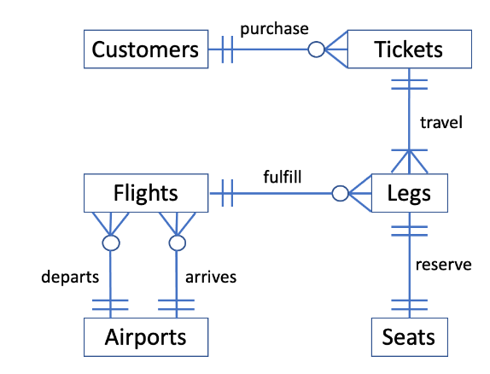
 |  |  |  |  |  |  |  |  |  | DFW | Dallas | TX
 |  |  |  |  |  |  |  |  |  | SNA | Orange Co | CA
 |  |  |  |  |  |  |  |  |  | LAX | Los Angeles | CA

